Notes, Instructions
 | PRESSURE MANIFOLD CALCULATION SHEET INSTRUCTIONS

 | This calculator is a tool and not intended to substitute for sound design judgement. It is not the only method for
 | designing pressure manifold systems. Site factors may dictate different trench lengths or other modifications.
 | Comply with all state and local standards and permit requirements.
 | See manifold schematic diagrams below.
MANUAL CALCULATIONS:
A | Calculate using line# formulas and tables. Double check manual calculations.
B | Defaults are provided below as a starting point. Adjust default numbers to optimize pump requirements or to use a prefered pump.
ELECTRONIC CALCULATIONS:
A | Click on Calculations Sheet tab. For new calculations, you can click the reset button to start with the default numbers.
B | Enter data in the ORANGE cells. (Use 'Enter' or the down arrow key to move to next cell. Use "Backspace" to clear a cell)
C | Defaults are provided as a starting point. Adjust default numbers to optimize pump requirements or to work with a prefered pump.
D | Enter data in the yellow cells (optional), to adjust for site conditions or to make the design more conservative. For example, to use
 | shorter trenches, increase total length, or round up trench lengths. Entries less than the minimum calculated values are not allowed.
E | Use of the timer control calculations is optional, but recommended.
F | As an alternative to completing the TDH calculations, pump suppliers can assist if you provide the site elevations and supply line length.
G | Use buttons at top of calculation sheet to print worksheets.
 | ABSORPTION SYSTEM CALCULATIONS | Notes/Recommendations
1 | Number of units | Check Minimum Construction Standards Table 2A in the Onsite Sewage Rule
2 | Flow per unit | Check Minimum Construction Standards Table 2A in the Onsite Sewage Rule
3 | Design daily wastewater flow | Calculate flows from multiple sources separately and enter total in input column
4 | Trench depth | 18" recommended (18" - 30" allowed); check with local authority about shallow placement modifications
5 | Soil loading rate from soil report | Generally, don't exceed lowest reported rate between the ground surface and 12 inches below the trench (Line4 +12")
6 | Trench bottom area (minimum) | Trench bottom area can exceed calculated minimum for a more conservative design
7 | Effective trench width | Narrow trenches are recommended to better use the available soil absorption area
8 | Total trench length (minimum) | Trench length can exceed calculated minimum for a more conservative design
9 | Number of zones | Should limit to 1,000 feet of trench per zone. However, more than 6 zones would require a dist. method other than an alternating valve, such as solenoid valvess or duplex pumps.
10 | Design daily wastewater flow per zone | If demand dosing is used, zones will receive equal dose volumes and should be equal in size
11 | Length of trench per zone | Use separate sheets for multiple zones with different trench lengths
12 | Number of trenches per zone | Use equal trench lengths if possible, and longest trenches, up to 100 feet, that will fit the site. A minimum of two trenches is required
13 | Trench length, average (minimum) | Generally, round up to use full length of trench product
14 | Zone dose volume | 1/2 gallon per foot of trench, recommended; add volume needed to fill supply line if it drains back to pump tank
 | FLOW CALCULATIONS
15 | Operating head | Set operating pressure with a valve on each lateral line. Use between 2 feet and 8 feet. (Default is 4 feet)
16 | Orifice (hole) diameter | Use to optimize pump flow capacity (Default is 1/4-inch)
17 | Flow rate per orifice (see Table 2) | Read from Table 2 or calculate using the formula provided
18 | Flow rate per zone (target) | Initial value used to help optimize pump capacity and cycle time. Compare pump manufacturer's cycle time recommendations with Line31. Confirm actual flow capacity (Line44) with pump performance curve. (Default is 25 gpm)
19 | Number of orifices per zone (approx.) | Initial value used to select actual number of orifices per lateral
20 | Number of orifices per lateral (equal length) | Use caution in selecting a different number of orfices, as it will affect required pump capacity
21 | Flow rate per lateral (equal length)
22 | Number of orifices per zone
23 | Flow rate per zone | Actual flow. 10 to 40 gpm is typical. Confirm sufficient pump capacity (line44 and 45) using pump performance curve.
24 | Diameter of supply line | Select pipe size for which flow rate (Line23) results in between 2 and 5 feet/second (fps)
25 | Type of PVC pipe | Schedule 40 for example
26 | Velocity in supply/manifold pipe | If velocity < 2 fps, smaller pipe is recommended; if > 5 fps, larger pipe is recommended
27 | Feet of lateral per orifice | Only used to proportion distribution in unequal length trenches in a zone (see next note)
28 | Trench length tolerance (plus or minus, max) | For unequal length trenches, the length per orifice should not vary by more than 5%
 | TIMER CONTROL CALCULATIONS | Recommended as an alternative to demand dosing
29 | Dose cycles per day (zone) | Typically less than 2 doses and should not exceed 4 doses
30 | Dose cycles per day (total) | Total doses for all zones
31 | Dose time ON each cycle | Add time needed to fill supply line if it drains back to pump tank. In the field, you can start with a drained system and time how long it takes to start to discharge at farthest lateral.
32 | Time OFF between doses
33 | Pump run time per day (approx.) | Total pump run time not including time needed to fill supply line
 | TOTAL DYNAMIC HEAD CALCULATIONS
34 | Elevation head | Difference in elevation (vertical distance) from low water level in pump tank to high point in pressure system
35 | Length of supply line | Length of supply/manifold pipe from pump to the last lateral line
36 | Equivalent length of fittings, total | Recommend using tables, such as from pipe manufacturer or SSPMA. If tables are used, carry manual calculations through line 45. (Calculator estimates equivalent length at 20% of straight length of supply/manifold pipe; be sure to include other losses on Line40.)
37 | Total equivalent length of supply line | Round up to nearest 10 feet
38 | Supply line friction head / 100 feet
39 | Supply line friction head
40 | Add on friction (if any) | Pressure losses in filters, alternating valves, etc. (if in psi, multiply by 2.31 to obtain feet)
41 | Friction head | Use equivalent length of fittings can be more accurate. Compare with calculated value.
42 | Operating head
43 | TDH | If friction is calculated manually using equivalent lengths of fittings, enter TDH on line 45
 | MINIMUM PUMP CAPACITY REQUIRED
44 | Flow capacity | Zone flow rate plus allowance for flow through 5/32" siphon break or weep hole
45 | Head capacity | When flow and head capacity are plotted on a pump's performance curve, that point must fall below the curve

1
2
3
4
5
6
7
INSTALLATION

Schematic showing components of manifold and short pipe into a gravity lateral trench

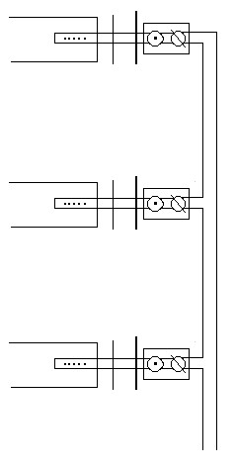
•1 Manifold line with tee at each lateral
•2 Valve used to adjust pressure at each lateral
•3 Tee with threaded adapter to attach standpipe or a cap with a hole
•4 Yard box for access
•5 Dam to prevent effluent from draining into manifold trench
•6 Capped pipe with drilled holes
•7 Any accepted conventional gravity trench material or product

Install system with a standpipe, or a cap with a hole drilled in it, at #3. Use valve,
#2, to adjust equal head or squirt height in each lateral. Install solid caps at #3.

The manifold and supply pipes should drain completely, either back to the
pump tank or to the trenches

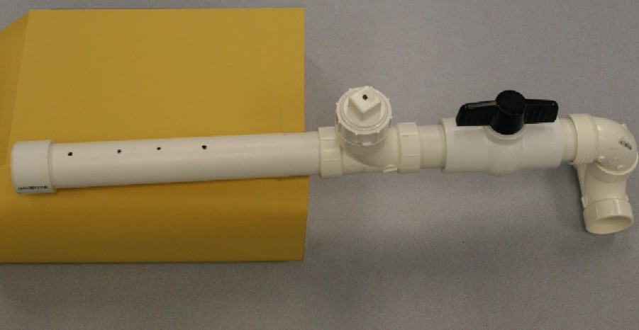

Photo example of short pipe with 4 orifices to insert into a gravity lateral trench system

Diagram of manifold system with 3 conventional gravity trenches

